1. Title Page
[instacart grocery basket analysis

Project Name: Instacart Grocery Basket Analysis
Date: 2024. 1. 18
Analyst Name: Jinwoo Chung

Contents:
Population Flow
Consistency checks
Wrangling steps
Column derivations
Visualizations
Recommendations

Data Citation:
"The Instacart Online Grocery Shopping Dataset 2017"
Note:
The price information are fabricated by CareerFounday

2. Population Flow
Population flow

Exclusion flag
Condition: max_order < 5
Obervations to be removed: 1,440,295
Final total count of order_products_all: 30,964,564

Orders_products_combined
Orders_products_merged
Orders_products_all

Total: 32,404,859
Total: 32,434,489
Total: 32,404,859

1.) The grey boxes in the first row of the population flow represent the original data sets as they were when you downloaded them. In the Total fields you need to add the count of the rows when you imported the data set into Jupyter.
2.) The second row of boxes (coloured) represents the data sets after you manipulated them, e.g., removed missing values and duplicates. In the Total fields you need to add the count of the rows after conducting these operations. This offers a visual oveview of how the data flows throughout the data consistency checks.
3.) The third row, where also the arrows are coloured, represents the merges you performed between the datasets. In the Total fields you need to add the count of the rows in the merged datasets, so that you end up with the final dataset (in the red box). Keep in mind the final dataset should be without exclusions (based on the exclusion flag).

3. Consistency checks
 |  |  |  | Title page
Consistency checks

Dataset | Missing values | Missing values treatment | Duplicates
orders | days_preivous_order: 206,209 | imputed to '0', since all missing data might be the first order. | None
products | product names: 16 | excluded from analysis, but stored seperately. ('df_prods_clean') | excluded from analysis, but stored seperately. ('df_prods_clean')
 | product_id: 5 (+ 2 more) |  | 5 records are duplicated in all columns --> one of them are excluded 2 product id have another product name --> all 2 are excluded, because there is no clue to indentify what is correct product name, and the counts are small less than 0.1 %
orders_products_prior | No missing data | No missing data | None
customers | first names: 11,259 | Keep them. The records have Last name and other values | None

4. Wrangling steps
 |  |  |  | Title page
Wrangling steps

Columns dropped | Columns renamed | Columns' type changed | Comment/Reason
eval_set |  |  | the variable does not have any relevent data for analysis
 | order_dow |  | changed to 'order_day_of_week' for more readable
 | days_since_prior_order |  | changed to 'days_since_previous_order' for more understandable.
 | Surnam |  | changed to Last Name: pairing to first name
 |  | product_id | int64 --> int32
 |  | aisle_id | int64 --> int8
 |  | department_id | int64 --> int32
 |  | order_number | int64 --> int8
 |  | Age | int64 --> int8
 |  | n_dependants | int64 --> int8
 |  | income | int64 --> int32
 |  | First Name | variable have mixed data, they changed to 'str'

5. Column derivations
 |  |  |  |  |  | Title page

Column derivations and aggregations

In this tab you should add tables below that the frequences of flags/label variables that you produced after deriving them. NB: don't do this for continuous variables, only for flags.
Dataset | New column | Column/s it was derived from | Conditions
ords_prods_merge | price_range_loc | prices | pices<=5: Low-range product 5< prices <=15: Mid-range product 15< prices: High-range product
ords_prods_merge | busiest_period_of_day | order_hour_of_day | 10<= order_hour_of_day <= 16: Most orders 1<= order_hour_of_day <=5: Fewest orders order_hour_of_day= 6~9 or 17~24: Average orders
ords_prods_merge | busiest_days | order_day_of_week | order_day_of_week ==0 or 1: Bueosest days order_day_of_week ==3 or 4: Slowest Days order_day_of_week != 0,1,3,4: Regularly busy | price_range_loc |  | busiest_period_of_day
ords_prods_merge | busiest_day | order_day_of_week | order_day_of_week ==0 : Bueosest days order_day_of_week ==4: Least Days order_day_of_week != 0,,4: Regularly busy | Mid-range product 756450 |  | Most orders 18663868
ords_prods_merge | loyalty_flag | max_order | max_order > 40 : Loyal customer max_order<= 10: New customer 10<max_order<=40: Regular customer | Low_range_product 243550 |  | Average orders 13363432
ords_prods_merge | spending_flag | average_spending | average_spending>=10 : High Spender average_spending<=10 : Low Spender |  |  | Fewest orders 377559
ords_prods_merge | frequency_flag | order_frequency | order_frequency >20 : Non-frequency customer order_frequency <= 10: Frequent customer 10<order_frequency<=20 : Regular customer | busiest_day |  | busiest_days
insta_filtered | Region | STATE | Northeast is STATE = 'Maine', 'New Hampshire', 'Vermont', 'Massachusetts', 'Rhode Island', 'Connecticut', 'New York', 'Pennsylvania', 'New Jersey' Midwest is STATE = 'Wisconsin', 'Michigan', 'Illinois', 'Indiana', 'Ohio', 'North Dakota' , 'South Dakota', 'Nebraska', 'Kansas', 'Minnesota', 'Iowa', 'Missouri South is STATE = 'Delaware', 'Maryland', 'District of Columbia', 'Virginia', 'West Virginia', 'North Carolina, 'South Carolina', 'Georgia', 'Florida', 'Kentucky', 'Tennessee', 'Mississippi', 'Alabama', 'Oklahoma', 'Texas', 'Arkansas', 'Louisiana' West is STATE = 'Idaho', 'Montana', 'Wyoming', 'Nevada', 'Utah', 'Colorado', 'Arizona', 'New Mexico', 'Alaska', 'Washington', 'Oregon', 'California', 'Hawaii' | Regularly busy 22416875 |  | Regularly busy 12916111
insta_filtered | Age_category | Age | Age >=65 : 13 (Elder) Age <33: 11 (Young) else: 12 (Middle) | Busiest day 6204182 |  | Busiest days 11864412
insta_filtered | income_category | income | income >= 128102: 23 (High) income < 67292 : 21 (Low) else: :22 (Mid) | Least busy 3783802 |  | Slowest days 7624336
insta_filtered | Family_category | fam_status | fam_status = married : 31 (merried) else: 32 (non-married) | Name: count, dtype: int64 |  | Name: count, dtype: int64

 |  |  |  | loyalty_flag |  | spending_flag
 |  |  |  | Regular customer 15876776 |  | Low spender 31770614
 |  |  |  | Loyal customer 10284093 |  | High spender 634245
 |  |  |  | New customer 6243990

 |  |  |  | frequency_flag |  | Region
 |  |  |  | Frequent customer 22796659 |  | South 10791885
 |  |  |  | RegularF customer 6921472 |  | West 8292913
 |  |  |  | Non-frequency customer 2686728 |  | Midwest 7597325
 |  |  |  |  |  | Northeast 5722736

 |  |  |  | Age_category | income_category | Family_category
 |  |  |  | 12 15483886 | 22 15482298 | 31 21743711
 |  |  |  | 13 8195544 | 23 7741261 | 32 9220853
 |  |  |  | 11 7285134 | 21 7741005

6. Visualizations
 |  |  |  |  |  |  |  |  |  | Title page

Visualisations

In this tab you should include all the visualtions from Exercises 4.9 and 4.10, alongside the questions from the project brief that they answer. Include any commentary on the relationship between different variables.

Key Question1) The sales team needs to know what the busiest days of the week and hours of the day are (i.e., the days and times with the most orders) in order to schedule ads at times when there are fewer orders.
Answer: | Recommendation) during the week day, especially Monday, Tuesday, and Wednessday & If you're scheduling your ad during off-peak hours, we recommend between 0am and 9 a.m., before orders start to increase The busiest day of the week is Saturday, followed by Sunday and Friday. The least busy days of the week are Wednesday, Tuesday, and Monday. The busiest time is from 10 AM to 6 PM, and the number of orders decreases after 6 PM..
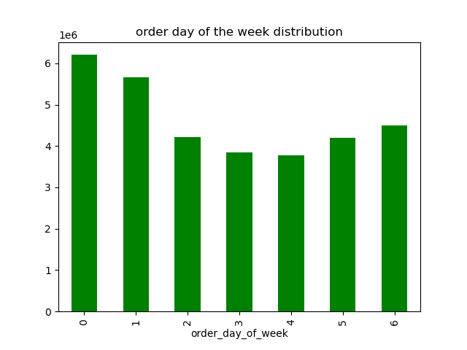
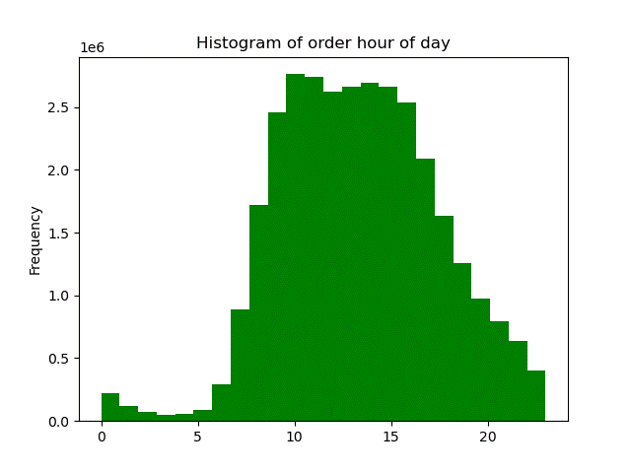

Key Question2) They also want to know whether there are particular times of the day when people spend the most money, as this might inform the type of products they advertise at these times.
Answer: | Recommendation) Early moring is the best times for Ads, because the orders are less than other times but the amount is higher. Customers mostly order 4 Produce, 16 Dairy egg, 7 Beverages, 19 Snacks, 1 Frozen Customers spend the most during the day, early in the morning, around 3 a.m. I also spend the least around 10 AM. This is in contrast to the order volume. The most ordered departments are 4 Produce, 16 Dairy egg, 7 Beverages, 19 Snacks, 1 Frozen.
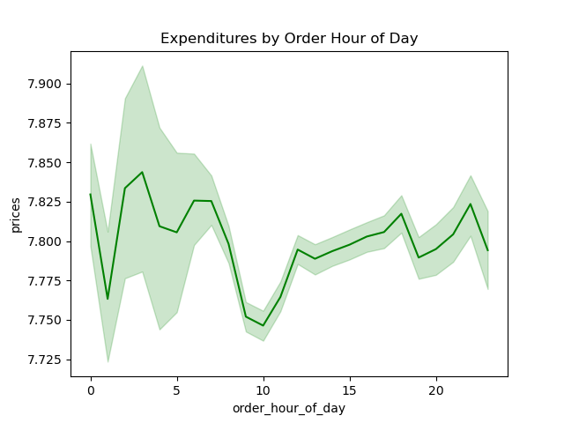

Key Question3) Instacart has a lot of products with different price tags. Marketing and sales want to use simpler price range groupings to help direct their efforts.
Answer: | Recommendation) High Price: over $15, Middle Price: between $15 and $7, Low Price: under $7 Since most products are in the price range of $15 or less, you can set a high price of $15 or more. The graph on the right below shows the distribution of product prices under $15. Since about 50% of these are under $7, prices below $7 can be classified as Low Prices, and prices over $7 can be classified as Middle Prices.

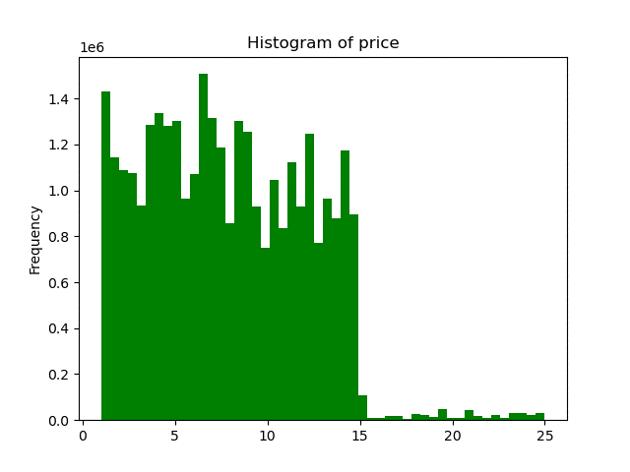
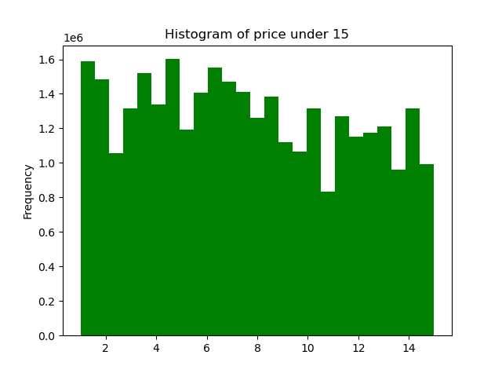

Key Question 4) Are there certain types of products that are more popular than others? The marketing and sales teams want to know which departments have the highest frequency of product orders
Answer: | Recommendation) Produce, dairy eggs, snacks, beverages, and frozen are the departments most frequently ordered by customers. The departments with the most orders are produce, dairy eggs, snacks, beverages, and frozen. The departments with the most sales are produce, dairy eggs, beverages, frozen and snacks.
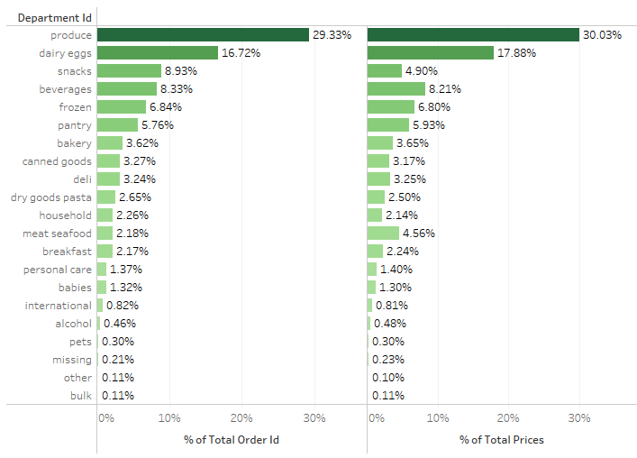

Key Question 5) The marketing and sales teams are particularly interested in the different types of customers in their system and how their ordering behaviors differ. 5-1) What’s the distribution among users in regards to their brand loyalty (i.e., how often do they return to Instacart)?
Answer: | Regular customers who ordered 10 or more but less than 40 orders made up the largest share in numbers and spend.

Customer Distribution by Loyalty
cutomer distribution
customer Type | defintion | counts (million) | expenditure (million USD)
Loyal customer | max_order > 40 | 10.28 | 79.94
Regular customer | 10<max_order<=40 | 15.88 | 123.81
New customer | max_order<= 10 | 6.24 | 48.71

Key Question 5) The marketing and sales teams are particularly interested in the different types of customers in their system and how their ordering behaviors differ. 5-2) Are there differences in ordering habits based on a customer’s loyalty status?
Answer: | There is no significant difference in ordering habits based on customer loyalty. All customers order produce the most, followed by dairy eggs, snacks, and beverages. These four departments account for approximately 80% of total orders.

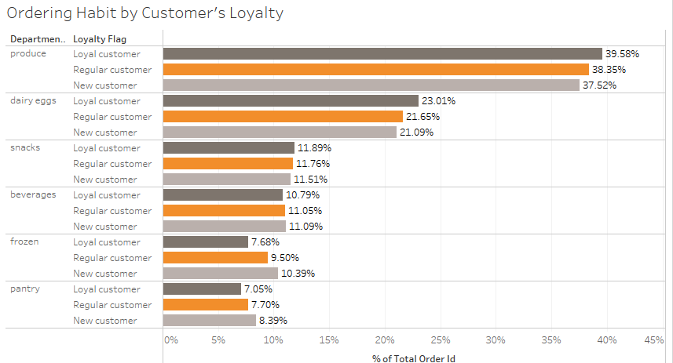

Key Question 5) The marketing and sales teams are particularly interested in the different types of customers in their system and how their ordering behaviors differ. 5-3) Are there differences in ordering habits based on a customer’s region?
Answer: | There is no significant difference in ordering habits based on the regions.

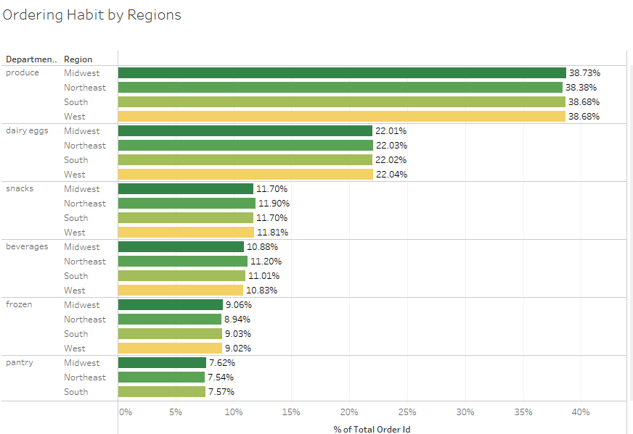
Share of Spending by Region
South | 33.30%
West | 25.59%
Midwest | 23.45%
Northeast | 17.66%

Key Question 5) The marketing and sales teams are particularly interested in the different types of customers in their system and how their ordering behaviors differ. 5-4) Is there a connection between age and family status in terms of ordering habits?
Answer: | Approximately 70% of our customers are married, 50% of our customers are middle-aged (33 to 65 years old), 26% are Elderly, and 24% are Young-aged. Customers' ordering habits have little to do with age or marital status or loyalty or region.

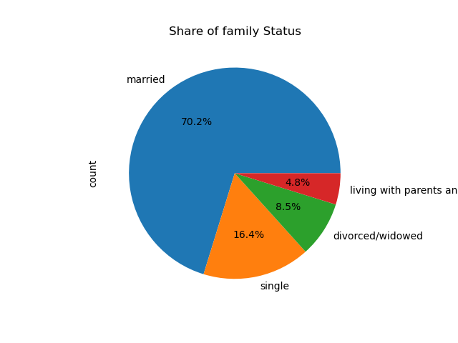

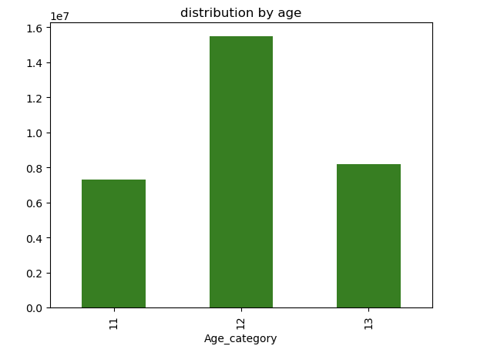

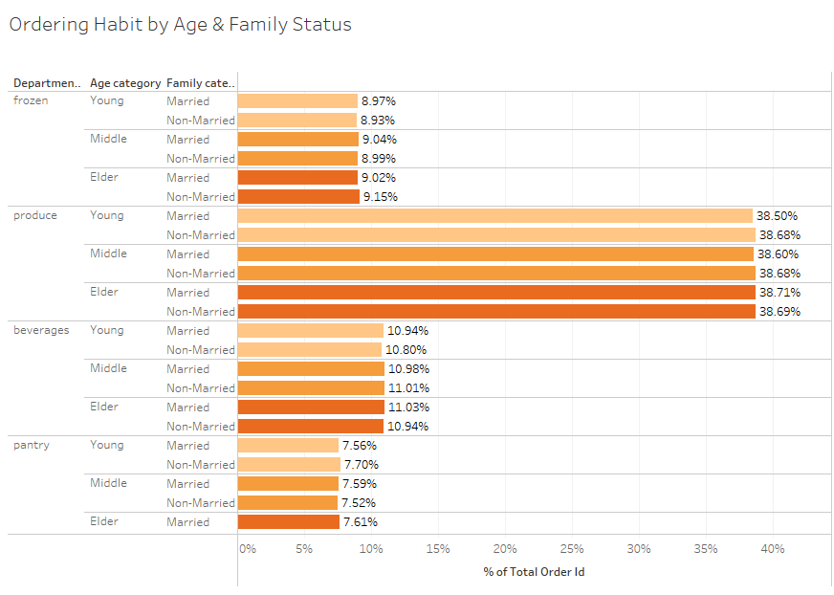

Key Question 5) The marketing and sales teams are particularly interested in the different types of customers in their system and how their ordering behaviors differ. 5-5)What different classifications does the demographic information suggest? Age? Income? Certain types of goods? Family status?
Answer: | The two graphs below analyze expenditure and order volume based on customer demographics by age, marriage, and income level. Expenditure and orders show very similar patterns across all demographics.

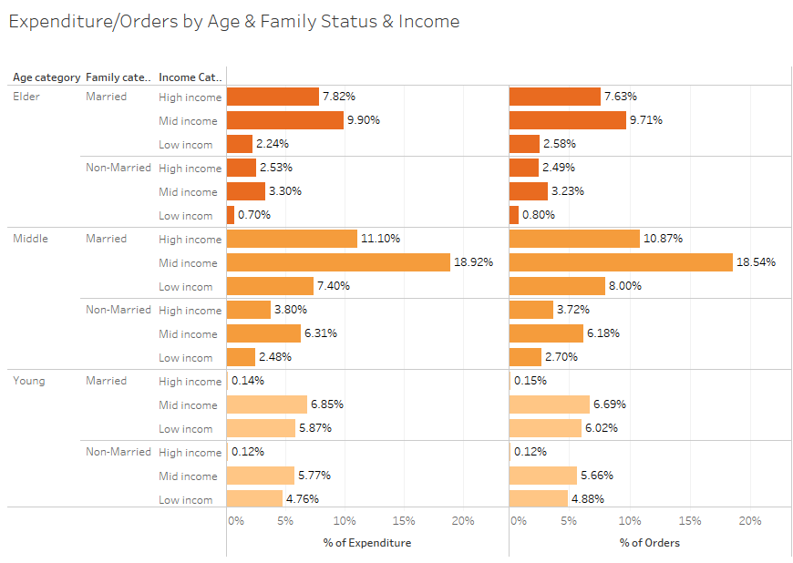

Key Question 5) The marketing and sales teams are particularly interested in the different types of customers in their system and how their ordering behaviors differ. 5-6) What differences can you find in ordering habits of different customer profiles? Consider the price of orders, the frequency of orders, the products customers are ordering, and anything else you can think of.
Answer:

 |  |  |  |  |  |  |  |  | A customer's consumption or order quantity does not differ significantly from the number of dependents.

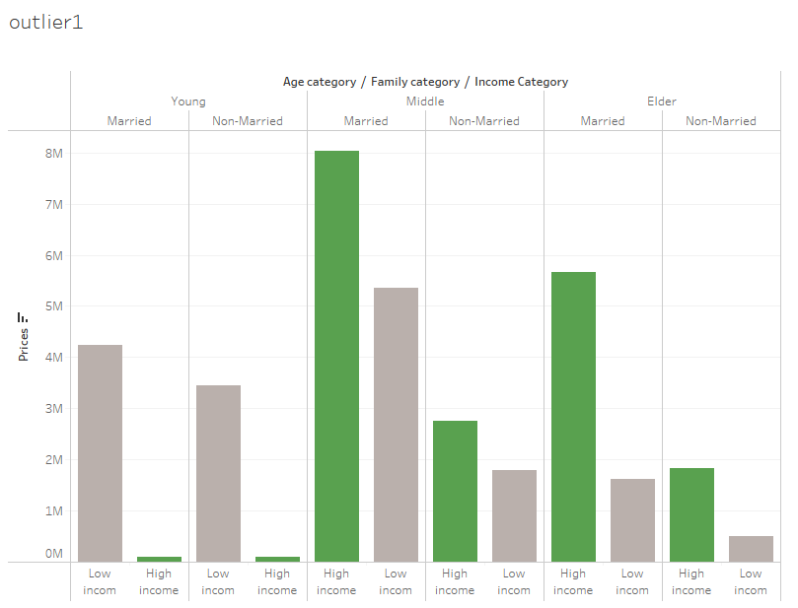

 |  |  |  |  |  |  |  | One peculiar thing is that, although higher incomes generally lead to higher spending, the order volume and spending of young, high-income groups are significantly lower than those of low-income groups. In other words, young, high-income people, regardless of whether they are married or not, rarely use Instacart. (** middle ages and mid-income groups are excluded)

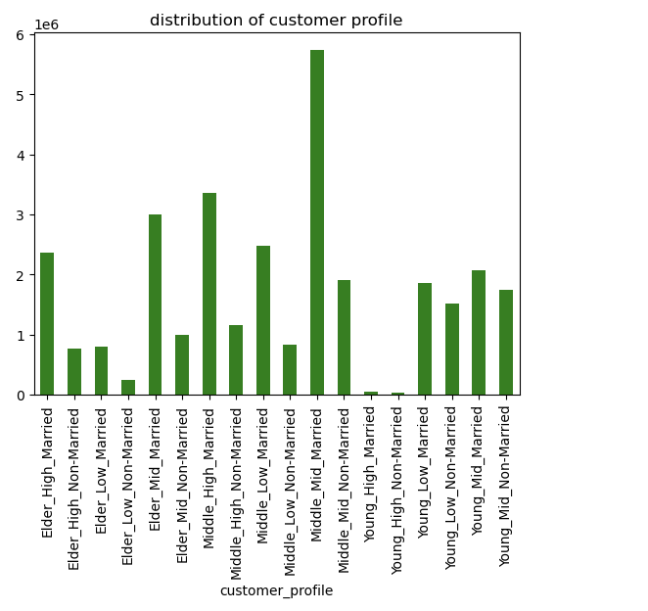

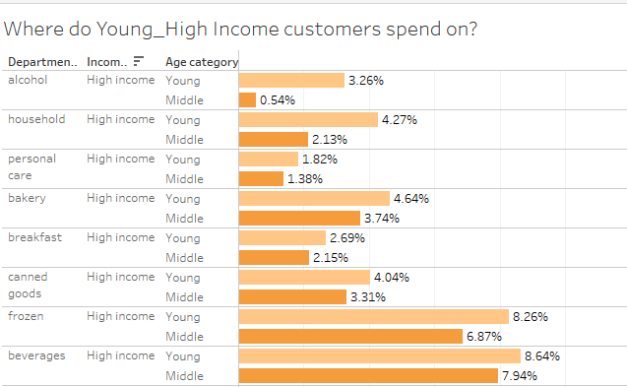
 |  |  |  |  |  |  | As a result of comparing the consumption of the young high-income class and the middle-aged high-income class, the young class showed a higher percentage of consumption than the middle-aged class in departments such as alcohol, house hold, personal care, bakery, and breakfast.

Some of visualization are made by Tableau, you can find them from below
Instacart Tableau Visualizations

Top 3 department_id

 | Age | income | marriage | department_id_1st | 2nd | 3rd
0 | Elder | High | Married | produce | dairy eggs | beverages
1 | Middle | High | Married | produce | dairy eggs | beverages
5 | Young | High | Married | produce | dairy eggs | beverages
6 | Elder | High | Non-Married | produce | dairy eggs | beverages
7 | Middle | High | Non-Married | produce | dairy eggs | beverages
10 | Young | High | Non-Married | produce | dairy eggs | beverages
11 | Middle | Mid | Married | produce | dairy eggs | beverages
12 | Elder | Mid | Non-Married | produce | dairy eggs | beverages
13 | Middle | Mid | Non-Married | produce | dairy eggs | beverages
4 | Elder | Mid | Married | produce | dairy eggs | snacks
8 | Middle | Low | Married | produce | dairy eggs | snacks
9 | Middle | Low | Non-Married | produce | dairy eggs | snacks
14 | Young | Low | Married | produce | dairy eggs | snacks
15 | Young | Low | Non-Married | produce | dairy eggs | snacks
16 | Young | Mid | Married | produce | dairy eggs | snacks
17 | Young | Mid | Non-Married | produce | dairy eggs | snacks
2 | Elder | Low | Married | produce | snacks | dairy eggs
3 | Elder | Low | Non-Married | produce | snacks | dairy eggs

7. Recommendations
 |  | Title page

Recommendations

In this tab you should include any recommendations you would made to Instcart in terms of their marketing strategy based on the questions posed in the brief. Every key question has been covered in the Tasks of the Exercises - here you need to add an item - a visualisation or table/crosstable that is showing the answer in the data, acompanied by a comment from you. Please, list the questions below and add the answer underneath.

Recommendations
Based on the analysis of Instacart's customer expenditures and orders, recommendations for marketing strategies are as follows. 1. Early morning (from 0am to 9am) is the least busy time and is the time when consumer expenditure is highest. Please use this time to focus on marketing. 2. Instacart's customer distribution does not have much difference in expenditure or orders depending on income, age group, age, or region. Regardless of income, age, age, or location, all consumers showed similar patterns of ordering habits. The most important groups are Middle age and Mid-income, and the main products are departments such as produce, dairy eggs, snacks, and beverage. Please focus on this area of ​​marketing. 3. Develop new customers: Young high-income group makes up the smallest portion of Instacart’s customers. Their proportion is significantly lower compared to other income groups in the same young age group. However, they are a segment with purchasing power and are the potential main customers of Instacart as they become the middle age group in the future. Compared to other classes, they spend particularly high amounts on alcohol, house hold, personal care, bakery, and breakfast. Considering these consumption patterns, it is necessary to create new customers. 4. Corporate social responsibility (CSR): Analysis of consumption and orders by department showed that only Eldery low-income had a higher proportion of snacks compared to dairy eggs. In other words, all other classes consume more dairy eggs than other departments, but only this group consumes less dairy eggs. These are vulnerable groups, and dairy eggs can be linked to their health. Caring about them could be Instacart's social responsibility.

Key Question1) The sales team needs to know what the busiest days of the week and hours of the day are (i.e., the days and times with the most orders) in order to schedule ads at times when there are fewer orders.
Answer: | Recommendation) during the week day, especially Monday, Tuesday, and Wednessday & If you're scheduling your ad during off-peak hours, we recommend between 0 am and 9 am, before orders start to increase The busiest day of the week is Saturday, followed by Sunday and Friday. The least busy days of the week are Wednesday, Tuesday, and Monday. The busiest time is from 10 AM to 6 PM, and the number of orders decreases after 6 PM..

Key Question2) They also want to know whether there are particular times of the day when people spend the most money, as this might inform the type of products they advertise at these times.
Answer: | Recommendation) Early moring is the best times for Ads, because the orders are less than other times but the amount is higher. Customers mostly order 4 Produce, 16 Dairy egg, 7 Beverages, 19 Snacks, 1 Frozen Customers spend the most during the day, early in the morning, around 3 a.m. I also spend the least around 10 AM. This is in contrast to the order volume. The most ordered departments are 4 Produce, 16 Dairy egg, 7 Beverages, 19 Snacks, 1 Frozen.

Key Question3) Instacart has a lot of products with different price tags. Marketing and sales want to use simpler price range groupings to help direct their efforts.
Answer: | Recommendation) High Price: over $15, Middle Price: between $15 and $7, Low Price: under $7 Since most products are in the price range of $15 or less, you can set a high price of $15 or more. The graph on the right below shows the distribution of product prices under $15. Since about 50% of these are under $7, prices below $7 can be classified as Low Prices, and prices over $7 can be classified as Middle Prices.

Key Question 4) Are there certain types of products that are more popular than others? The marketing and sales teams want to know which departments have the highest frequency of product orders
Answer: | Recommendation) Produce, dairy eggs, snacks, beverages, and frozen are the departments most frequently ordered by customers. The departments with the most orders are produce, dairy eggs, snacks, beverages, and frozen. The departments with the most sales are produce, dairy eggs, beverages, frozen and snacks.

Key Question 5) The marketing and sales teams are particularly interested in the different types of customers in their system and how their ordering behaviors differ. 5-1) What’s the distribution among users in regards to their brand loyalty (i.e., how often do they return to Instacart)?
Answer: | Regular customers who ordered 10 or more but less than 40 orders made up the largest share in numbers and spend.

Key Question 5) The marketing and sales teams are particularly interested in the different types of customers in their system and how their ordering behaviors differ. 5-2) Are there differences in ordering habits based on a customer’s loyalty status?
Answer: | There is no significant difference in ordering habits based on customer loyalty. All customers order produce the most, followed by dairy eggs, snacks, and beverages. These four departments account for approximately 80% of total orders.

Key Question 5) The marketing and sales teams are particularly interested in the different types of customers in their system and how their ordering behaviors differ. 5-3) Are there differences in ordering habits based on a customer’s region?
Answer: | There is no significant difference in ordering habits based on the regions.

Key Question 5) The marketing and sales teams are particularly interested in the different types of customers in their system and how their ordering behaviors differ. 5-4) Is there a connection between age and family status in terms of ordering habits?
Answer: | Approximately 70% of our customers are married, 50% of our customers are middle-aged (33 to 65 years old), 26% are Elderly, and 24% are Young-aged. Customers' ordering habits have little to do with age or marital status or loyalty or region.

Key Question 5) The marketing and sales teams are particularly interested in the different types of customers in their system and how their ordering behaviors differ. 5-5)What different classifications does the demographic information suggest? Age? Income? Certain types of goods? Family status?
Answer: | The two graphs below analyze expenditure and order volume based on customer demographics by age, marriage, and income level. Expenditure and orders show very similar patterns across all demographics.

Key Question 5) The marketing and sales teams are particularly interested in the different types of customers in their system and how their ordering behaviors differ. 5-6) What differences can you find in ordering habits of different customer profiles? Consider the price of orders, the frequency of orders, the products customers are ordering, and anything else you can think of.
A customer's consumption or order quantity does not differ significantly from the number of dependents.
One peculiar thing is that, although higher incomes generally lead to higher spending, the order volume and spending of young, high-income groups are significantly lower than those of low-income groups. In other words, young, high-income people, regardless of whether they are married or not, rarely use Instacart. (** middle ages and mid-income groups are excluded)
As a result of comparing the consumption of the young high-income class and the middle-aged high-income class, the young class showed a higher percentage of consumption than the middle-aged class in departments such as alcohol, house hold, personal care, bakery, and breakfast.

